Theater Outcomes by Launchdate
Parent Category | theater
Years | (All)

Count of outcomes | Column Labels
Row Labels | successful | live | failed | canceled | Grand Total
Jan | 56 | 2 | 33 | 7 | 98
Feb | 71 | 8 | 39 | 3 | 121
Mar | 56 | 14 | 33 | 3 | 106
 | successful | live | failed | canceled
Jan | 56 | 2 | 33 | 7
Feb | 71 | 8 | 39 | 3
Mar | 56 | 14 | 33 | 3
Apr | 71 |  | 40 | 2
May | 111 |  | 52 | 3
Jun | 100 |  | 49 | 4
Jul | 87 |  | 50 | 1
Aug | 72 |  | 47 | 4
Sep | 59 |  | 34 | 4
Oct | 65 |  | 50
Nov | 54 |  | 31 | 3
Dec | 37 |  | 35 | 3
Apr | 71 |  | 40 | 2 | 113
May | 111 |  | 52 | 3 | 166
Jun | 100 |  | 49 | 4 | 153
Jul | 87 |  | 50 | 1 | 138
Aug | 72 |  | 47 | 4 | 123
Sep | 59 |  | 34 | 4 | 97
Oct | 65 |  | 50 |  | 115
Nov | 54 |  | 31 | 3 | 88
Dec | 37 |  | 35 | 3 | 75
Grand Total | 839 | 24 | 493 | 37 | 1393

OutComes Based on Goals
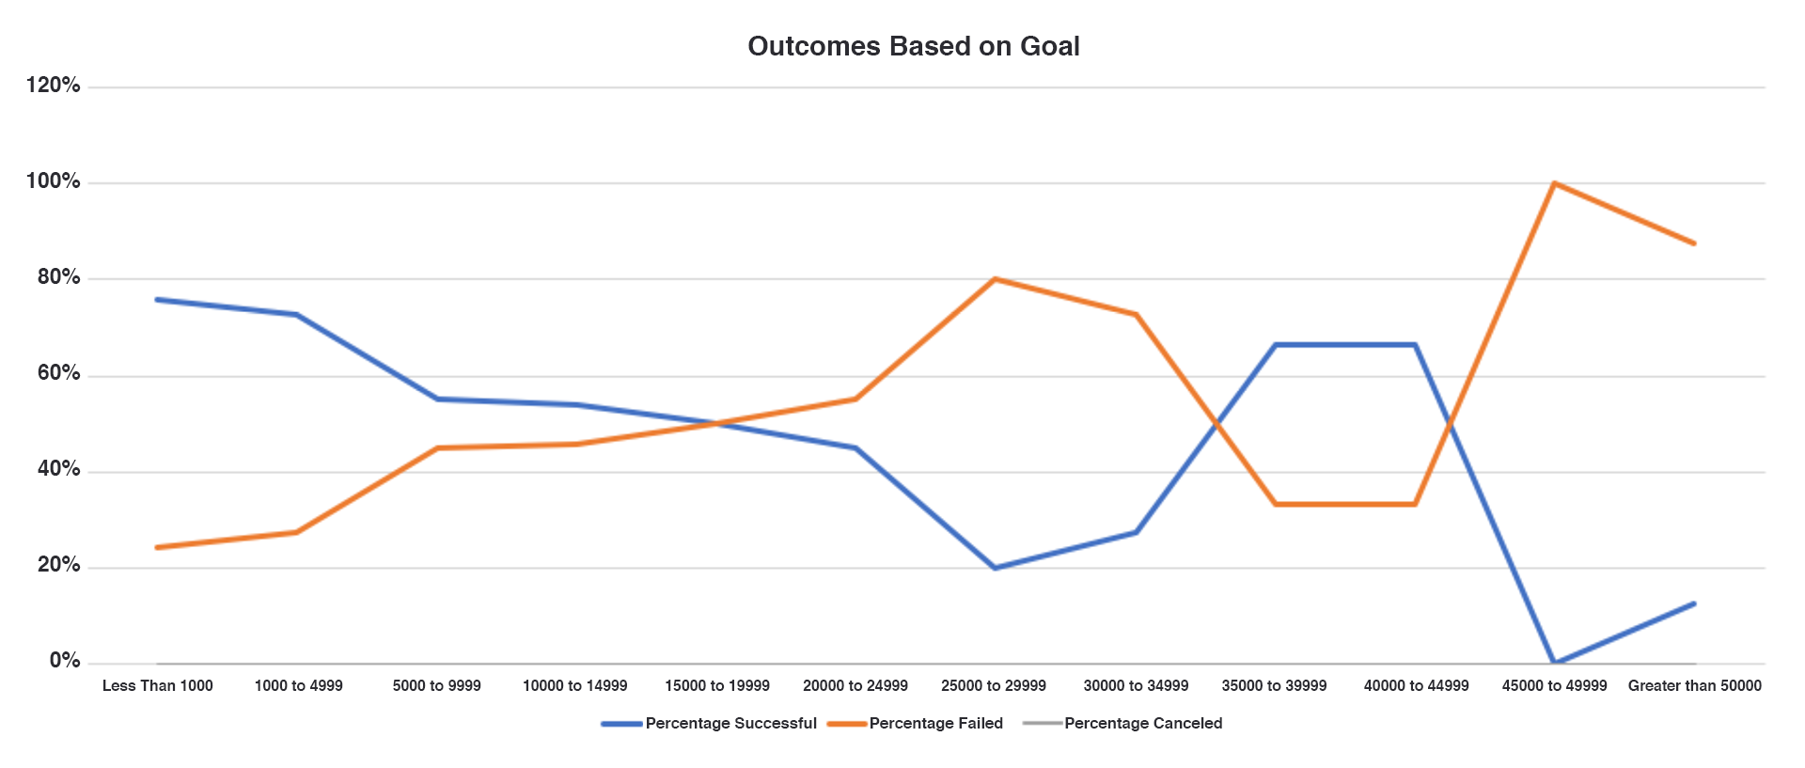
Goal | Number sucessful | Number Failed | Number Canceled | Total Porjects | Precentage Sucessful | Percentage Failed | Percentage Canceled
Less than 1000 | 1741 | 1202 | 262 | 3205 | 54% | 38% | 8%
1000 to 4999 | 2928 | 1421 | 310 | 4659 | 63% | 31% | 7%
5000 to 9999 | 3383 | 1475 | 324 | 5182 | 65% | 28% | 6%
10000 to 14999 | 3586 | 1493 | 330 | 5409 | 66% | 28% | 6%
15000 to 19999 | 3697 | 1502 | 334 | 5533 | 67% | 27% | 6%
20000 to 24999 | 3772 | 1508 | 337 | 5617 | 67% | 67% | 6%
25000 to 29999 | 3828 | 1513 | 337 | 5678 | 67% | 27% | 6%
30000 to 34999 | 3880 | 1517 | 338 | 5735 | 68% | 26% | 6%
35000 to 39999 | 3907 | 1519 | 338 | 5764 | 68% | 26% | 6%
40000 to 44999 | 3933 | 1523 | 340 | 5796 | 68% | 26% | 6%
45000 to 49999 | 3951 | 1524 | 340 | 5815 | 68% | 26% | 6%
Greater than 50000 | 163 | 6 | 9 | 178 | 92% | 3% | 5%

